Cover
| Da nang R&D Department

DESIGN SPECIFICATION | PROJECT: AES-128

 | Revision | : Rev0.1
 | Prj Duration | : 1/2025-5/2025
 | Author | : Hoang Bao Long
 | Approval | : Nguyen Cao Thanh

<IP AES High level block>
<AES Top Module> Design

Function Description
The AES-128 block implements the Advanced Encryption Standard (AES) algorithm with a 128-bit key. It is responsible for securely encrypting or decrypting a 128-bit block of data through multiple rounds of transformation based on the AES standard. This block implement one of two function: Cipher or decipher depend on we set parameter of IP. If you want to process new data, you must provide new data to input as soon as the finished signal is HIGH

Key Features
Inputs: clk (Clock): A clock signal to synchronize operations within the AES core. rst_n (Reset): An active-low reset signal to initialize the AES core to its default state. data_in (128-bit Plaintext or Ciphertext): The input block of data to be encrypted (plaintext) or decrypted (ciphertext). It is 128 bits wide. key(128-bit Encryption Key): The input encryption key used for performing AES encryption or decryption. It must also be 128 bits wide. And output is data after processed which have 128 bits length and the finished flag signal when the data process already finished

Interface

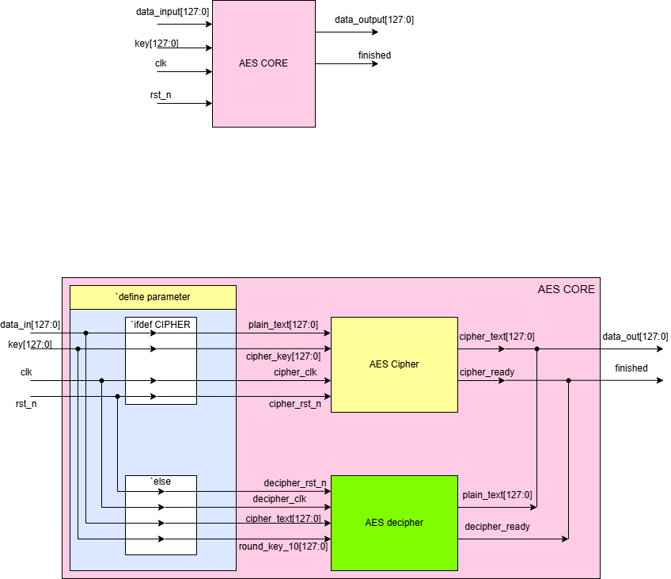

Note: So, we have just one block cipher or decipher is operating in one time depend on what parameter you set for this IP block (CIPHER/DECIPHER). If we don't set/ config, this system default is decrypt data.



Signal Description

No | Signal Name |  | Width | Direction | Function Description
1 | data_input |  | 128 | Input | Input data needs to be processed (encryption or decryption)
2 | key |  | 128 | Input | Input key for encryption or decryption
3 | clk |  | 1 | Input | Clock
4 | rst_n |  | 1 | Input | Asynchronous reset, active low​
5 | data_output |  | 128 | Output | Data output after encryption or decryption
6 | finished |  | 1 | Output | The finished signal of encryption or decryption

Operations: Initialization: On receiving the reset signal (rst_n), the AES core initializes all internal registers and prepares for a new operation. Key Expansion: The 128-bit key_in is expanded into multiple round keys using the AES key schedule algorithm. For AES-128, the algorithm generates 11 round keys (1 initial key + 10 for rounds). Encryption Process: Data Transformation: The core processes the input data block (data_in) through 10 rounds of the AES algorithm, which includes the following steps: AddRoundKey: XOR the data with the current round key. SubBytes: Substitute each byte using the AES S-box. ShiftRows: Shift rows of the state matrix. MixColumns (for all but the last round): Mix the columns of the state matrix. The final output after 10 rounds is the 128-bit ciphertext. Decryption Process: Inverse Transformation: The AES core applies the inverse operations (InvSubBytes, InvShiftRows, InvMixColumns) to decrypt the ciphertext back into plaintext. The key schedule is reversed for decryption to ensure proper decryption. Completion: Once the process is complete, the core asserts the ready signal, and the encrypted or decrypted block is available on the output.

Waveform: Cipher

clk |  | 1 |  | 2 | 3 | 4 | 5 | 6 | 7 | 8 | 9 | 10 | 0 | 1 | 2 | 3 | 4 | 5 | 6 | 7 | 8 | 6 | 7 | 8 | 9 | 10 | 0 | 1

rst

data_in | 128'h3243f6a8885a308d313198a2e0370734 |  |  |  |  |  |  |  |  |  |  |  | 128'h00112233445566778899aabbccddeeff

key | 128'h2b7e151628aed2a6abf7158809cf4f3c |  |  |  |  |  |  |  |  |  |  |  | 128'h000102030405060708090a0b0c0d0e0f

data_out | 128'h0 |  |  |  |  |  |  |  |  |  |  |  | 128'h3925841d02dc09fbdc118597196a0b32 | 128'h0 |  |  |  |  |  |  |  |  |  |  |  |  | 128'h69c4e0d86a7b0430d8cdb78070b4c55a 25 dc 11 6a 84 09 85 0b 1d fb 97 32 | 128'h0

finished

Waveform: Decipher

clk |  | 1 |  | 2 | 3 | 4 | 5 | 6 | 7 | 8 | 9 | 10 | 0 | 1 | 2 | 3 | 4 | 5 | 6 | 7 | 8 | 6 | 7 | 8 | 9 | 10 | 0 | 1

rst

data_in | 128'h3925841d02dc09fbdc118597196a0b32 |  |  |  |  |  |  |  |  |  |  |  | 128'h69c4e0d86a7b0430d8cdb78070b4c55a25dc116a8409850b1dfb9732

key | 128'hd014_f9a8_c9ee_2589_e13f_0cc8_b663_0ca6 |  |  |  |  |  |  |  |  |  |  |  | 128'h1311_1d7f_e394_4a17_f307_a78b_4d2b_30c5

data_out | 128'h0 |  |  |  |  |  |  |  |  |  |  |  | 128'h3243f6a8885a308d313198a2e0370734 | 128'h0 |  |  |  |  |  |  |  |  |  |  |  |  | 128'h00112233445566778899aabbccddeeff | 128'h0

finished

<AES Cipher High Level Block>
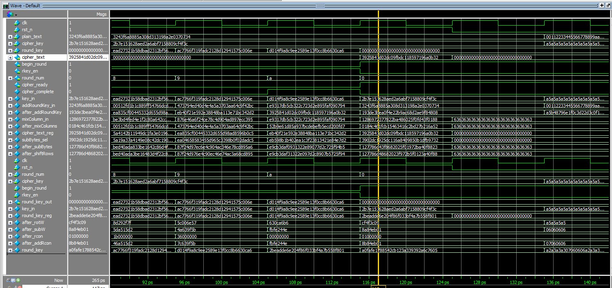
<AES Cipher Block> Design

Function Description
The Cipher block in AES-128 is responsible for encrypting data (plaintext) into encrypted data (ciphertext) using a 128-bit key, based on the Advanced Encryption Standard (AES) algorithm. The Cipher block in AES-128 performs 10 rounds of processing to transform a 128-bit data block (16 bytes) into ciphertext. The process involves the following steps: Add round Key, SubBytes, ShiftRows, MixColumns. The output of this block is: The resulting 128-bit encrypted data block (ciphertext).

Signal Description
No | Signal Name |  | Width | Direction | Function Description
1 | plain_text |  | 128 | Input | Data needs encryption, plaintext​
2 | cipher_key |  | 128 | Input | Cipher key​
3 | clk |  | 1 | Input | Clock​
4 | rst_n |  | 1 | Input | Asynchronous reset, active low​
5 | cipher_text |  | 128 | Output | Data after being encrypted, ciphertext.​
6 | cipher_ready |  | 1 | Output | Indicates that the encoder is ready to operate. This signal is only 0 when the encoder is in the process of encoding data.​
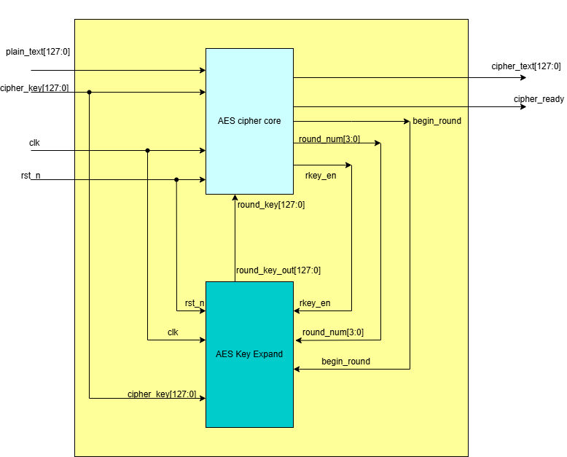

Waveform: Cipher

clk |  | 1 |  | 2 | 3 | 4 | 5 | 6 | 7 | 8 | 9 | 10 | 0 | 1 | 2 | 3 | 4 | 5 | 6 | 7 | 8 | 6 | 7 | 8 | 9 | 10 | 0 | 1

rst

plain_text | 128'h3243f6a8885a308d313198a2e0370734 |  |  |  |  |  |  |  |  |  |  |  | 128'h00112233445566778899aabbccddeeff

cipher_key | 128'h2b7e151628aed2a6abf7158809cf4f3c |  |  |  |  |  |  |  |  |  |  |  | 128'h000102030405060708090a0b0c0d0e0f

cipher_text | 128'h0 |  |  |  |  |  |  |  |  |  |  |  | 128'h3925841d02dc09fbdc118597196a0b32 | 128'h0 |  |  |  |  |  |  |  |  |  |  |  |  | 128'h69c4e0d86a7b0430d8cdb78070b4c55a 25 dc 11 6a 84 09 85 0b 1d fb 97 32 | 128'h0

cipher_ready

Result
Please show the result to prove the correct result
Can be waveform, text or anything else

<AES Cipher Core>
<AES Cipher core> Design

Function Description
The Cipher block in AES-128 is responsible for encrypting data (plaintext) into encrypted data (ciphertext) using a 128-bit key, based on the Advanced Encryption Standard (AES) algorithm. The Cipher block in AES-128 performs 10 rounds of processing to transform a 128-bit data block (16 bytes) into ciphertext. The process involves the following steps: Add round Key, SubBytes, ShiftRows, MixColumns. The output of this block is: The resulting 128-bit encrypted data block (ciphertext).

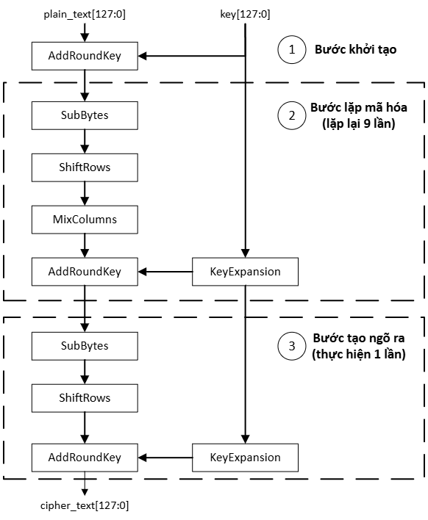
Design Specification
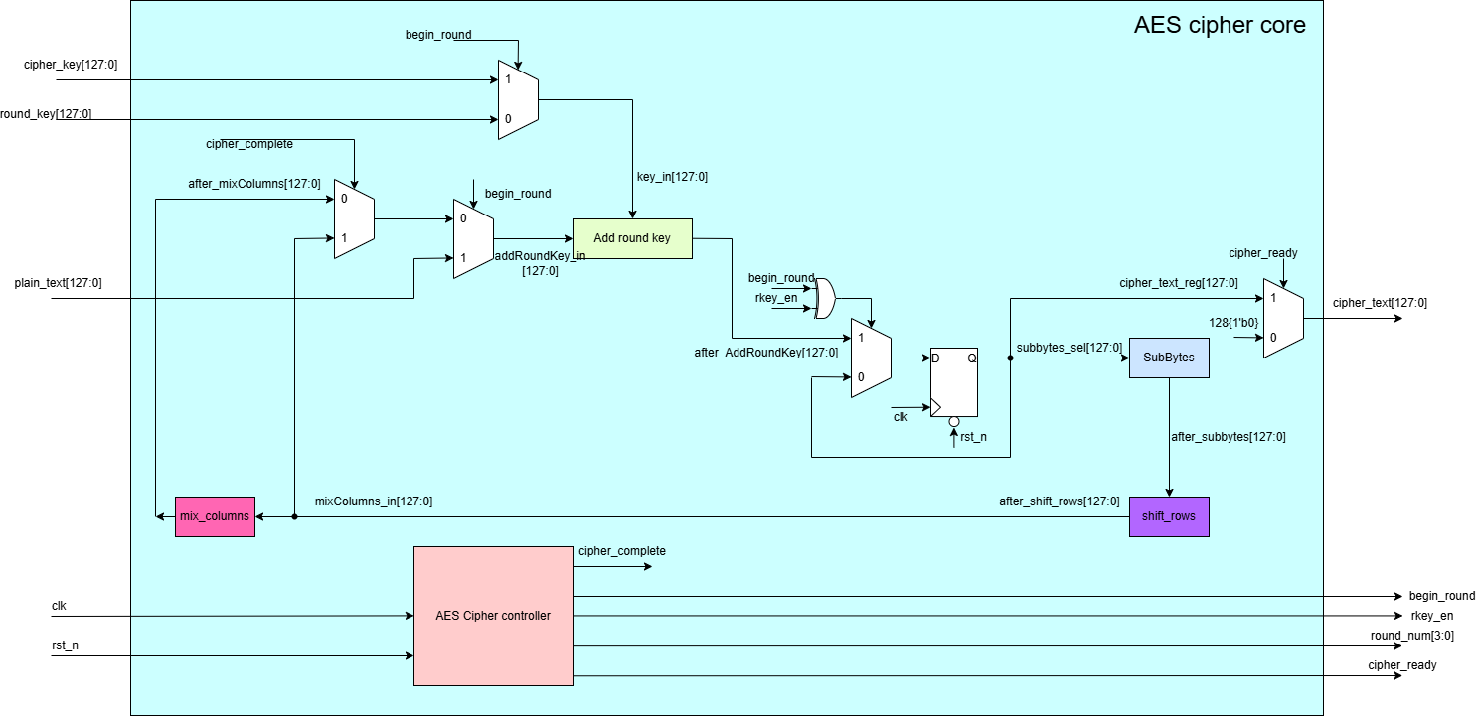

Signal Description
No | Signal Name |  |  | Width | Direction | Function Description
1 | plain_text |  |  | 128 | Input | Data needs encryption, plaintext​
2 | round_key |  |  | 128 | Input | A round key value which is from a key expansion
3 | cipher_key |  |  | 128 | Input | Cipher key​
4 | clk |  |  | 1 | Input | Clock​
5 | rst_n |  |  | 1 | Input | Asynchronous reset, active low​
6 | cipher_text |  |  | 128 | Output | Data after being encrypted, ciphertext.​
7 | cipher_ready |  |  | 1 | Output | Indicates that the encoder is ready to operate. This signal is only 0 when the encoder is in the process of encoding data.​

8 | rkey_en |  |  | 1 | Output | Signal that enables the AES_Key_Expand block operate
9 | round_num |  |  | 4 | Output | Signals the current encryption loop, round_num[3:0]=0 is the first initialization step and round_num[3:0]=10 is the last step

10 | begin_round |  |  | 1 | Output | The signal begin encryption, begin_round=1 when round_num=0

Waveform

clk |  |  | 1 |  | 2 | 3 | 4 | 5 | 6 | 7 | 8 | 9 | 10 | 0 | 1 | 2 | 3 | 4 | 5 | 6 | 7 | 8 | 9 | 10 | 0 | 1 | 2 | 3 | 4

rst

plain_text | 128'h3243f6a8885a308d313198a2e0370734 |  |  |  |  |  |  |  |  |  |  |  |  | 128'h00112233445566778899aabbccddeeff

cipher_key | 128'h2b7e151628aed2a6abf7158809cf4f3c |  |  |  |  |  |  |  |  |  |  |  |  | 128'h000102030405060708090a0b0c0d0e0f

round_key | 128'h0 |  | 128'ha0fa_fe17_8854_2cb1_23a3_3939_2a6c_7605 |  | 128'hf2c2_95f2_7a96_b943_5935_807a_7359_f67f | 128'h3d80_477d_4716_fe3e_1e23_7e44_6d7a_883b | 128'hef44_a541_a852_5b7f_b671_253b_db0b_ad00 | 128'hd4d1_c6f8_7c83_9d87_caf2_b8bc_11f9_15bc | 128'h6d88_a37a_110b_3efd_dbf9_8641_ca00_93fd | 128'h4e54_f70e_5f5f_c9f3_84a6_4fb2_4ea6_dc4f | 128'head2_7321_b58d_bad2_312b_f560_7f8d_292f | 128'hac77_66f3_19fa_dc21_28d1_2941_575c_006e | 128'hd014_f9a8_c9ee_2589_e13f_0cc8_b663_0ca6 | 128'h0 | 128'hd6aa_74fd_d2af_72fa_daa6_78f1_d6ab_76fe | 128'hb692_cf0b_643d_bdf1_be9b_c500_6830_b3fe | 128'hb6ff_744e_d2c2_c9bf_6c59_0cbf_0469_bf41 | 128'h47f7_f7bc_9535_3e03_f96c_32bc_fd05_8dfd | 128'h3caa_a3e8_a99f_9deb_50f3_af57_adf6_22aa | 128'h5e39_0f7d_f7a6_9296_a755_3dc1_0aa3_1f6b | 128'h14f9_701a_e35f_e28c_440a_df4d_4ea9_c026 | 128'h4743_8735_a41c_65b9_e016_baf4_aebf_7ad2 | 128'h5499_32d1_f085_5768_1093_ed9c_be2c_974e | 128'h1311_1d7f_e394_4a17_f307_a78b_4d2b_30c5 | 128'h0

round_num | 4'd0 |  | 4'd1 |  | 4'd2 | 4'd3 | 4'd4 | 4'd5 | 4'd6 | 4'd7 | 4'd8 | 4'd9 | 4'd10 | 4'd0 | 4'd1 | 4'd2 | 4'd3 | 4'd4 | 4'd5 | 4'd6 | 4'd7 | 4'd8 | 4'd9 | 4'd10 | 4'd0

begin_round

cipher_text | 128'h0 |  |  |  |  |  |  |  |  |  |  |  |  | 128'h3925841d02dc09fbdc118597196a0b32 | 128'h0 |  |  |  |  |  |  |  |  |  | 128'h69c4e0d86a7b0430d8cdb78070b4c55a 25 dc 11 6a 84 09 85 0b 1d fb 97 32 | 128'h0

cipher_ready

Result
Please show the result to prove the correct result
Can be waveform, text or anything else

clk | 0 |  | 1 |  | 2 | 3 | 4 | 5 | 6 | 7 | 8 | 9 | 10 | 11 | 12

rst

round_num | 4'd0 |  | 4'd1 |  | 4'd2 | 4'd3 | 4'd4 | 4'd5 | 4'd6 | 4'd7 | 4'd8 | 4'd9 | 4'd10 | 4'd0 | 4'd1 | 4'd2 | 4'd3

rkey_en

begin_round

cipher_ready |  | xxx

cipher_complete |  | xxx

cipher_key | 128'h2b7e151628aed2a6abf7158809cf4f3c

AES CIPHER CONTROLLER
AES CIPHER CONTROLLER

Definition:this block generate the signals control the cipher core and key expand block.

No | Signal Name |  |  | Width | Direction | Function Description
1 | clk |  |  | 1 | Input | Clock​

2 | rst_n |  |  | 1 | Input | Asynchronous reset, active low​
3 | round_num |  |  | 4 | output | Signals the current encryption loop, round_num[3:0]=0 is the first initialization step and round_num[3:0]=10 is the last step
4 | begin_round |  |  | 1 | output | The signal begin encryption, begin_round=1 when round_num=0
5 | cipher_complete |  |  | 1 | output | The signal indicate the encoder is already finished. cipher_complete=1 when round_num=10
6 | cipher_ready |  |  | 1 | output | Indicates that the encoder is ready to operate. This signal is only 0 when the encoder is in the process of encoding data.​
7 | rkey_en |  |  | 1 | output | Signal that enables the AES_Key_Expand block operate

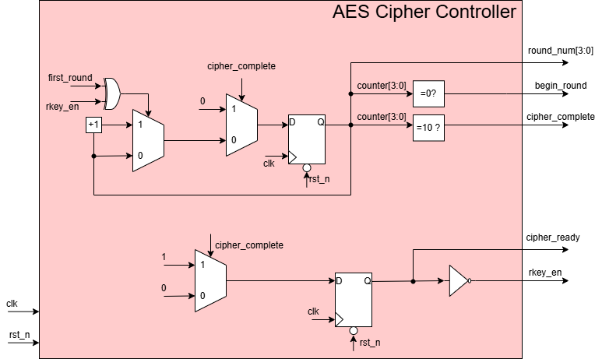

 |  | clk | 0 |  | 1 | 2 | 3 | 4 | 5 | 6 | 7 | 8 | 9 | 10 | 11 | 12

 |  | rst

 |  | round_num | 4'd0 |  | 4'd1 | 4'd2 | 4'd3 | 4'd4 | 4'd5 | 4'd6 | 4'd7 | 4'd8 | 4'd9 | 4'd10 | 4'd0 | 4'd1 | 4'd2 | 4'd3

 |  | rkey_en

 |  | begin_round

 |  | cipher_ready |  | xxx

 |  | cipher_complete |  | xxx

 |  | plain_text | 128'h3243_f6a8_885a_308d_3131_98a2_e037_0734

 |  | cipher_key | 128'h2b7e_1516_28ae_d2a6_abf7_1588_09cf_4f3c

 |  | round_key | 128'h0 |  | 128'ha0fa_fe17_8854_2cb1_23a3_3939_2a6c_7605 | 128'hf2c2_95f2_7a96_b943_5935_807a_7359_f67f | 128'h3d80_477d_4716_fe3e_1e23_7e44_6d7a_883b | 128'hef44_a541_a852_5b7f_b671_253b_db0b_ad00 | 128'hd4d1_c6f8_7c83_9d87_caf2_b8bc_11f9_15bc | 128'h6d88_a37a_110b_3efd_dbf9_8641_ca00_93fd | 128'h4e54_f70e_5f5f_c9f3_84a6_4fb2_4ea6_dc4f | 128'head2_7321_b58d_bad2_312b_f560_7f8d_292f | 128'hac77_66f3_19fa_dc21_28d1_2941_575c_006e | 128'hd014_f9a8_c9ee_2589_e13f_0cc8_b663_0ca6 | 128'h0

 |  | cipher_text | 128'h0 |  |  |  |  |  |  |  |  |  |  |  | 128'h3925841d02dc09fbdc118597196a0b32 | 128'h0

<AES Key Expand>
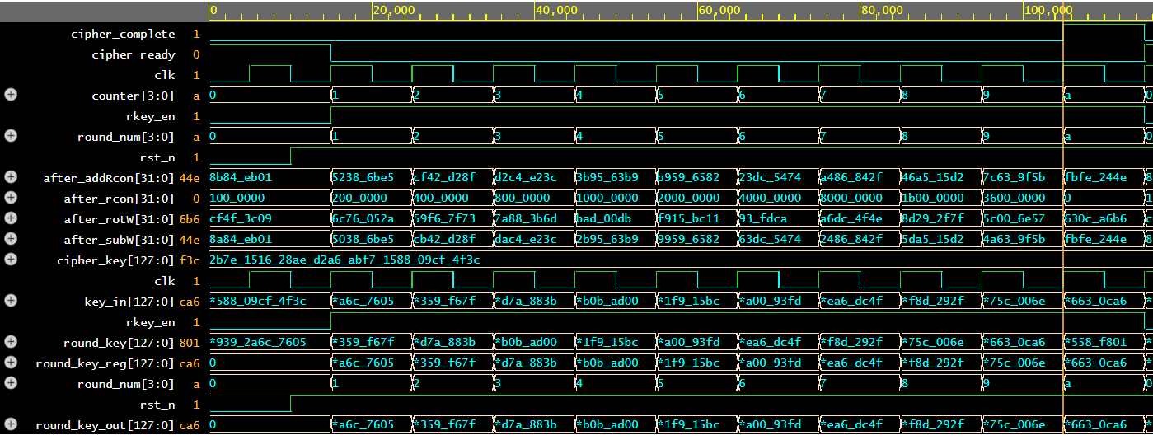
<AES Key Expand> Design

Function Description
The Key Expansion block in AES-128 is responsible for generating a series of round keys from the provided 128-bit cipher key. These round keys are used during the encryption or decryption process in the Cipher block. Key Features of Key Expansion Input: Cipher Key: A single 128-bit encryption key provided by the user. Output: Round Keys: A total of 11 round keys (1 initial key + 10 for rounds) are generated for AES-128. Operation: The block applies a key schedule algorithm to generate these round keys in a deterministic way, ensuring that each round key is unique.

Signal Description
No | Signal Name |  | Width | Direction | Function Description
1 | round_num |  | 4 | Input | Signals the current encryption loop, round_num[3:0]=0 is the first initialization step and round_num[3:0]=10 is the last step​

2 | cipher_key |  | 128 | Input | Cipher key​
3 | clk |  | 1 | Input | Clock​
4 | rst_n |  | 1 | Input | Asynchronous reset, active low​
5 | rkey_en |  | 1 | Input | Signal that enables the AES_Key_Expand block operate​
6 | begin_round |  | 1 | Input | The signal begin encryption, begin_round=1 when round_num=0

7 | round_key_out |  | 128 | Output | A round key value which is from a key expansion​

Waveform

clk |  | 1 |  | 2 | 3 | 4 | 5 | 6 | 7 | 8 | 9 | 10 | 11 | 12

rst

cipher_key | 128'h2b7e151628aed2a6abf7158809cf4f3c

round_num | 4'd0 | 4'd1 |  | 4'd2 | 4'd3 | 4'd4 | 4'd5 | 4'd6 | 4'd7 | 4'd8 | 4'd9 | 4'd10 | 4'd0 | 4'd0

begin_round

rkey_en

round_key_out | 128'h0 | 128'h a0fa_fe17_8854_2cb1_23a3_3939_2a6c_7605 |  | 128'hf2c2_95f2_7a96_b943_5935_807a_7359_f67f | 128'h3d80_477d_4716_fe3e_1e23_7e44_6d7a_883b | 128'hef44_a541_a852_5b7f_b671_253b_db0b_ad00 | 128'hd4d1_c6f8_7c83_9d87_caf2_b8bc_11f9_15bc | 128'h6d88_a37a_110b_3efd_dbf9_8641_ca00_93fd | 128'h4e54_f70e_5f5f_c9f3_84a6_4fb2_4ea6_dc4f | 128'head2_7321_b58d_bad2_312b_f560_7f8d_292f | 128'hac77_66f3_19fa_dc21_28d1_2941_575c_006e | 128'hd014_f9a8_c9ee_2589_e13f_0cc8_b663_0ca6 | 128'h0

RotWord
Function: used in the Key Expansion routine that takes a four-byte word and performs a cyclic permutation
Signal Description

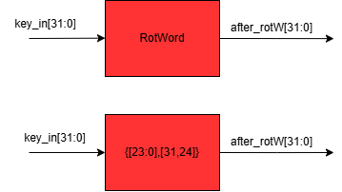

SubWord
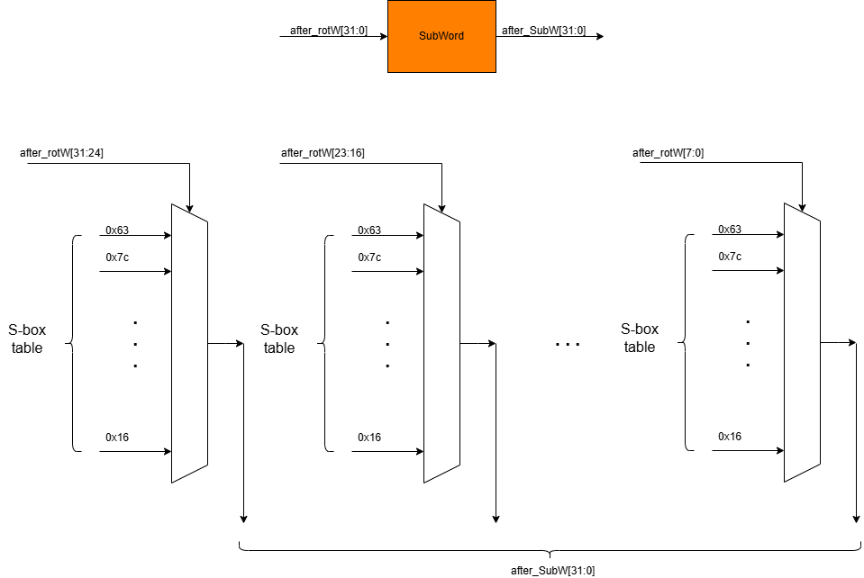

AddWord

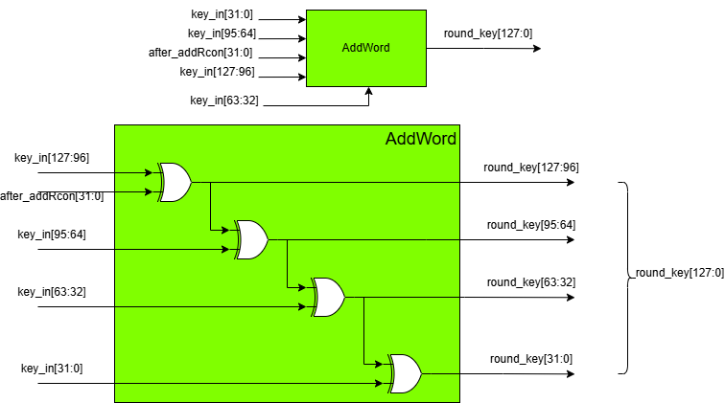

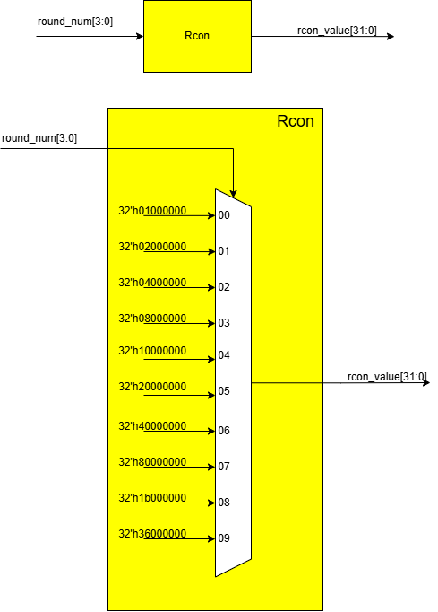

Rcon

Result
Please show the result to prove the correct result
Can be waveform, text or anything else

AddRoundKey_Cipher
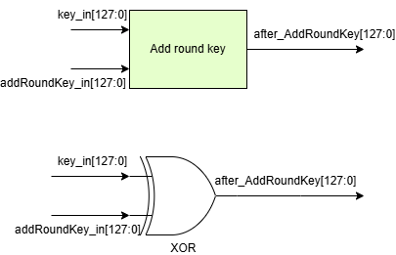
AddRoundKey
Function: Combine the current state with the round key using the XOR operation, ensuring the incorporation of the encryption key into the data
Signal Description:
No | Signal Name | Width | Direction | Function Description
1 | key_in | 128 | Input | Key cipher or round key from a AES Key Expansion block

2 | addRoundKey_in | 128 | Input | The plain_text or the result of mix_columns block
3 | after_AddRoundKey | 128 | Output | Output resulting from the XOR operation between key_in and addRoundKey_in

Subbytes
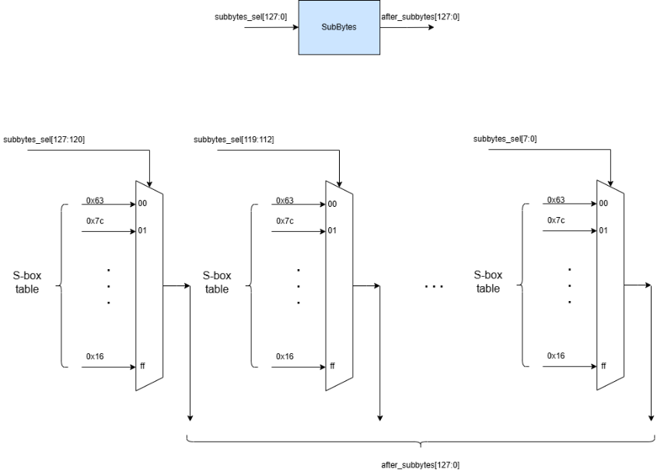
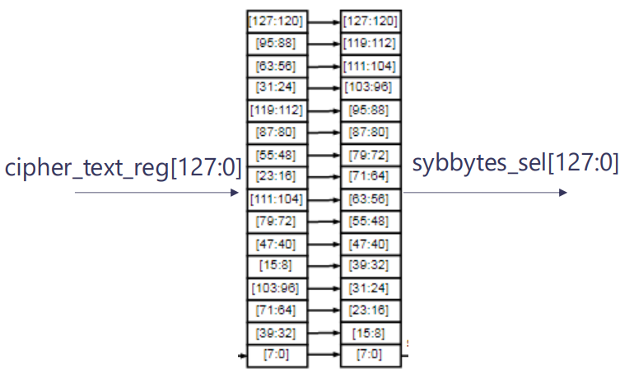
SubBytes
Function: Applies a non-linear substitution using an S-Box, ensuring non-linearity to resist linear and differential attacks
Signal Description:
No | Signal Name | Width | Direction | Function Description
1 | subbytes_sel | 128 | Input | Mixing 128 bits from cipher _text_reg

2 | after_subbytes | 128 | Output | Output resulting from AES S_box

ShiftRows
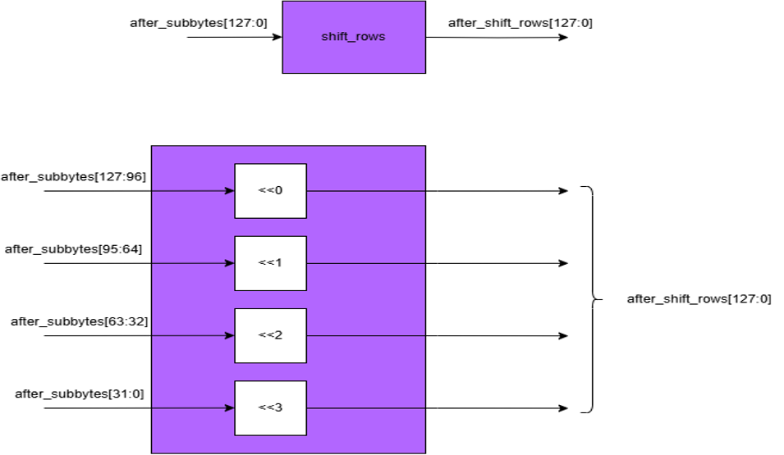
ShiftRows
Function: Performs a row-wise cyclic shift on the state, providing the diffusion in the encryption process
Signal Description:
No | Signal Name | Width | Direction | Function Description
1 | after_subbytes | 128 | Input | 128 bits resulting from Subbytes

2 | after_shift_rows | 128 | Output | Output resulting from cyclic shifting

MixColumns
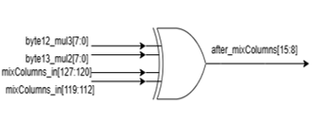
MixColumns
Function: Combines the bytes within a column using linear transformations, increasing diffusion by mixing the column data
Signal Description:
No | Signal Name | Width | Direction | Function Description
1 | mixColumns_in | 128 | Input | 128 bits from ShiftRows

2 | after_mixColumns | 128 | Output | Taking all of the columns of the State and mixes their data to produce new columns

InvShiftRows
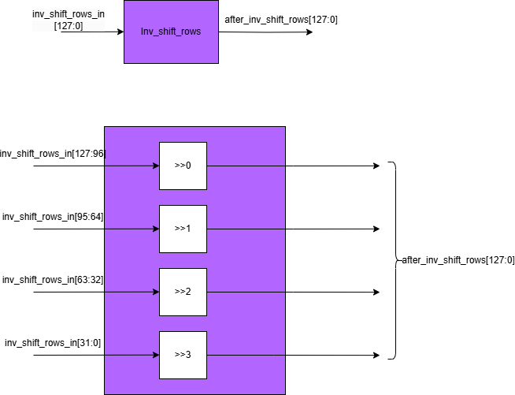
InvShiftRows
Function: The inverse of ShiftRows(), restore the original byte alignment of the state matrix
Signal Description:
No | Signal Name | Width | Direction | Function Description
1 | inv_shift_rows_in | 128 | Input | Input from AddRoundkey

2 | after_inv_shift_rows | 128 | Output | Shifting the bytes in the last three rows of the State cyclically over different numbers of bytes. The first row, r = 0, is not shifted. ​

InvSubBytes
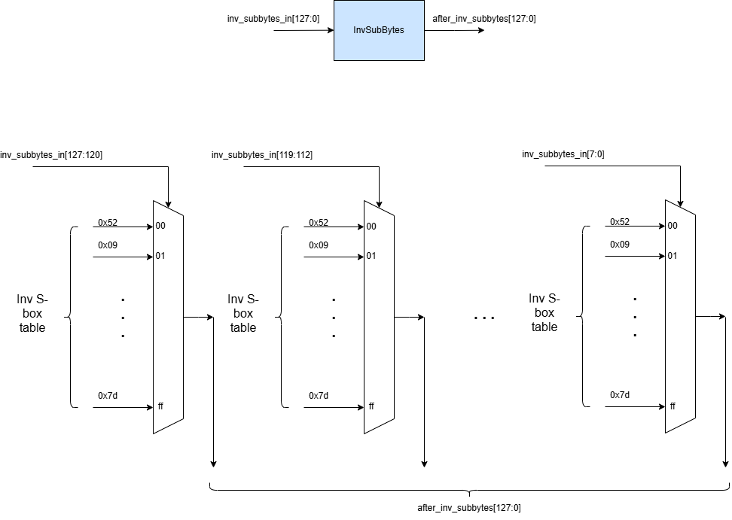
InvSubBytes
Function: The inverse of the SubBytes using inverse S-box, restoring the original byte values before SubBytes transformation
Signal Description:
No | Signal Name | Width | Direction | Function Description
1 | inv_subbytes_in | 128 | Input | A 4x4 matrix representing the state after InvShiftRows

2 | after_inv_subbytes | 128 | Output | A 4x4 matrix where each byte is substituted according to the Inverse S-Box

InvMixColumns
InvMixColumns
Function: The inverse of MixColumns, restores the state to its original form before MixColumns transformation
Signal Description:
No | Signal Name | Width | Direction | Function Description
1 | inv_mixColumns_in | 128 | Input | Each column of the matrix is treated as a polynomial over GF(2^8) (Galois Field) and multiplied by the inverse of a fixed matrix

2 | after_inv_mixColumns | 128 | Output | A 4x4 state matrix after the multiplication with fixed matrix

mul2 block
inv_mix_col block

<AES Decipher High level block>
<AES Decipher Block> Design
 |  |  |  |  |  |  |  |  |  |  |  |  |  | Result
Function Description |  |  |  |  |  |  |  |  |  |  |  |  |  | Please show the result to prove the correct result
The Decipher block in AES-128 is responsible for decrypting data (cipher_text) into decrypted data (plain_text) using a 128-bit key, based on the Advanced Encryption Standard (AES) algorithm. The decipher block in AES-128 performs 10 rounds of processing to transform a 128-bit data block (16 bytes) into plaintext. The process involves the following steps: Add round Key, Inverse SubBytes, Inverse ShiftRows, Inverse MixColumns. The output of this block is: The resulting 128-bit decrypted data block (plaintext). |  |  |  |  |  |  |  |  |  |  |  |  |  | Can be waveform, text or anything else

Signal Description
No | Signal Name |  | Width | Direction | Function Description
1 | cipher_text |  | 128 | Input | Data needs decryption, plaintext​
2 | round_key_10 |  | 128 | Input
3 | clk |  | 1 | Input | Clock​
4 | rst_n |  | 1 | Input | Asynchronous reset, active low​
5 | plain_text |  | 128 | Output | Data after being decrypted, plaintext.​
6 | decipher_ready |  | 1 | Output | Indicates that the decoder is ready to operate. This signal is only 0 when the decoder is in the process of decoding data.​
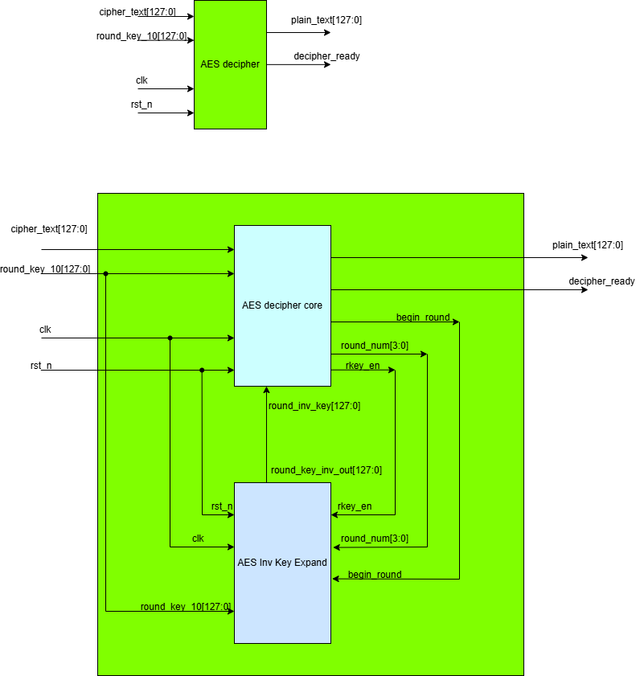

Waveform: Decipher

clk |  | 1 |  | 2 | 3 | 4 | 5 | 6 | 7 | 8 | 9 | 10 | 11 | 12

rst

data_input | 128'h3925841d02dc09fbdc118597196a0b32

round_key_10

plain_text | 128'h0 |  |  |  |  |  |  |  |  |  |  |  | 128'h3243f6a8885a308d313198a2e0370734 | 128'h0

decipher_ready

<AES Decipher Core>
<AES Decipher Block> Design

Function Description
The Decipher block in AES-128 is responsible for decrypting data (cipher_text) into decrypted data (plain_text) using a 128-bit key, based on the Advanced Encryption Standard (AES) algorithm. The decipher block in AES-128 performs 10 rounds of processing to transform a 128-bit data block (16 bytes) into plaintext. The process involves the following steps: Add round Key, Inverse SubBytes, Inverse ShiftRows, Inverse MixColumns. The output of this block is: The resulting 128-bit decrypted data block (plaintext).

Design Specification

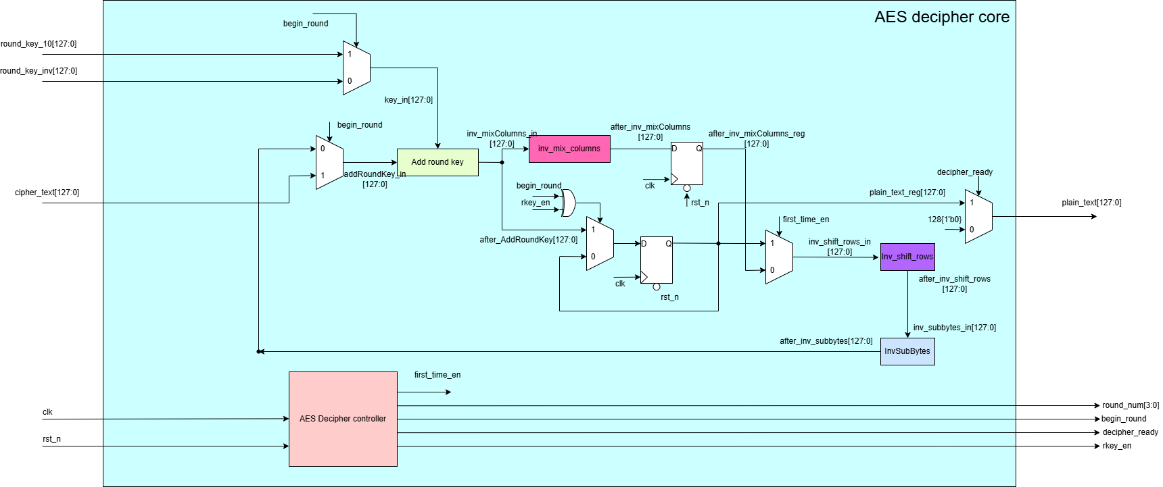

Signal Description

No | Signal Name |  | Width | Direction | Function Description
1 | cipher_text |  | 128 | Input | Data needs decryption, ciphertext​
2 | round_key_10 |  | 128 | Input | Round key 10th​
3 | round_key_inv |  | 128 | Input | A round key value which is from a inverse key expansion
4 | clk |  | 1 | Input | Clock​
5 | rst_n |  | 1 | Input | Asynchronous reset, active low​
6 | plain_text |  | 128 | Output | Data after being decrypted, plain_text.​
7 | decipher_ready |  | 1 | Output | Indicates that the decoder is ready to operate. This signal is only 0 when the decoder is in the process of decoding data.​

8 | rkey_en |  | 1 | Output | Signal that enables the AES_Inv_Key_Expand block operate
9 | round_num |  | 4 | Output | Signals the current decryption loop, round_num[3:0]=0 is the first initialization step and round_num[3:0]=10 is the last step
10 | begin_round |  | 1 | Output | The signal begin encryption/ decryption, begin_round=1 when round_num=0

Waveform

clk |  | 1 |  | 2 | 3 | 4 | 5 | 6 | 7 | 8 | 9 | 10 | 0 | 1

rst

cipher_text | 128'h3925841d02dc09fbdc118597196a0b32

round_key_10 | 128'hd014_f9a8_c9ee_2589_e13f_0cc8_b663_0ca6

round_key | 128'h0 | 128'hac7766f319fadc2128d12941575c006e |  | 128'h2bea_dde6_e204_f86f_033b_f4a7_b558_f801 | 128'h4e54f70e5f5fc9f384a64fb24ea6dc4f | 128'h6d88a37a110b3efddbf98641ca0093fd | 128'h d4d1c6f87c839d87caf2b8bc11f915bc | 128'hef44a541a8525b7fb671253bdb0bad00 | 128'h3d80477d4716fe3e1e237e446d7a883b | 128'hf2c295f27a96b9435935807a7359f67f | 128'ha0fafe1788542cb123a339392a6c7605 | 128'h2b7e151628aed2a6abf7158809cf4f3c | 128'h0

round_num | 4'd0 | 4'd1 |  | 4'd2 | 4'd3 | 4'd4 | 4'd5 | 4'd6 | 4'd7 | 4'd8 | 4'd9 | 4'd10 | 4'd0 | 4'd0

begin_round

plain_text | 128'h0 |  |  |  |  |  |  |  |  |  |  |  | 128'h3243f6a8885a308d313198a2e0370734 | 128'h0

decipher_ready

Result
Please show the result to prove the correct result
Can be waveform, text or anything else

AES DECIPHER CONTROLLER
AES DECIPHER CONTROLLER

Definition:this block generate the signals control the cipher core and key expand block.

No | Signal Name | Width | Direction |  | Function Description
1 | clk | 1 | Input |  | Clock​

2 | rst_n | 1 | Input |  | Asynchronous reset, active low​
3 | round_num | 4 | output |  | Signals the current encryption loop, round_num[3:0]=0 is the first initialization step and round_num[3:0]=10 is the last step
4 | begin_round | 1 | output |  | The signal begin decryption, begin_round=1 when round_num=0
5 | cipher_complete | 1 | output |  | The signal indicate the decoder is already finished. decipher_complete=1 when round_num=10
6 | decipher_ready | 1 | output |  | Indicates that the decoder is ready to operate. This signal is only 0 when the decoder is in the process of decoding data.​
7 | rkey_en | 1 | output |  | Signal that enables the AES_Inv_Key_Expand block operate

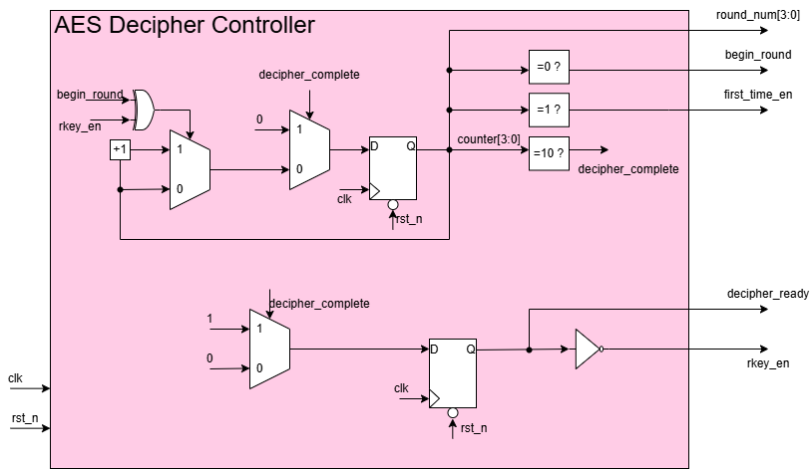

 |  | clk | 0 |  | 1 | 2 | 3 | 4 | 5 | 6 | 7 | 8 | 9 | 10 | 11 | 12

 |  | rst

 |  | round_num | 4'd0 |  | 4'd1 | 4'd2 | 4'd3 | 4'd4 | 4'd5 | 4'd6 | 4'd7 | 4'd8 | 4'd9 | 4'd10 | 4'd0 | 4'd1 | 4'd2 | 4'd3

 |  | rkey_en

 |  | begin_round

 |  | decipher_ready |  | xxx

 |  | decipher_complete |  | xxx

 |  | first_time_en

 |  | cipher_text | 128'h3925_841d_02dc_09fb_dc11_8597_196a_0b32

 |  | round_key_10 | 128'hd014_f9a8_c9ee_2589_e13f_0cc8_b663_0ca6

 |  | round_key | 128'h0 |  | 128'hac7766f319fadc2128d12941575c006e | 128'h2bea_dde6_e204_f86f_033b_f4a7_b558_f801 | 128'h4e54f70e5f5fc9f384a64fb24ea6dc4f | 128'h6d88a37a110b3efddbf98641ca0093fd | 128'h d4d1c6f87c839d87caf2b8bc11f915bc | 128'hef44a541a8525b7fb671253bdb0bad00 | 128'h3d80477d4716fe3e1e237e446d7a883b | 128'hf2c295f27a96b9435935807a7359f67f | 128'ha0fafe1788542cb123a339392a6c7605 | 128'h2b7e151628aed2a6abf7158809cf4f3c | 128'h0

 |  | plain_text | 128'h0 |  |  |  |  |  |  |  |  |  |  |  | 128'h3243f6a8885a308d313198a2e0370734 | 128'h0

Rcon decipher
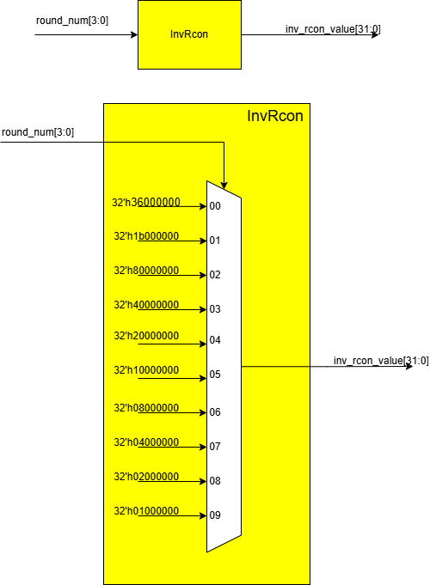
Rcon
Function: The round constant word array, ensuring that each round key in AES encryption is unique and cannot be derived by simple patterns
Signal Description:
No | Signal Name | Width | Direction | Function Description
1 | round_num | 4 | Input | Signals the current encryption loop, round_num[3:0]=0 is the first initialization step and round_num[3:0]=10 is the last step​

2 | rcon_value | 32 | Output | Output of Rcon

SubWord decipher
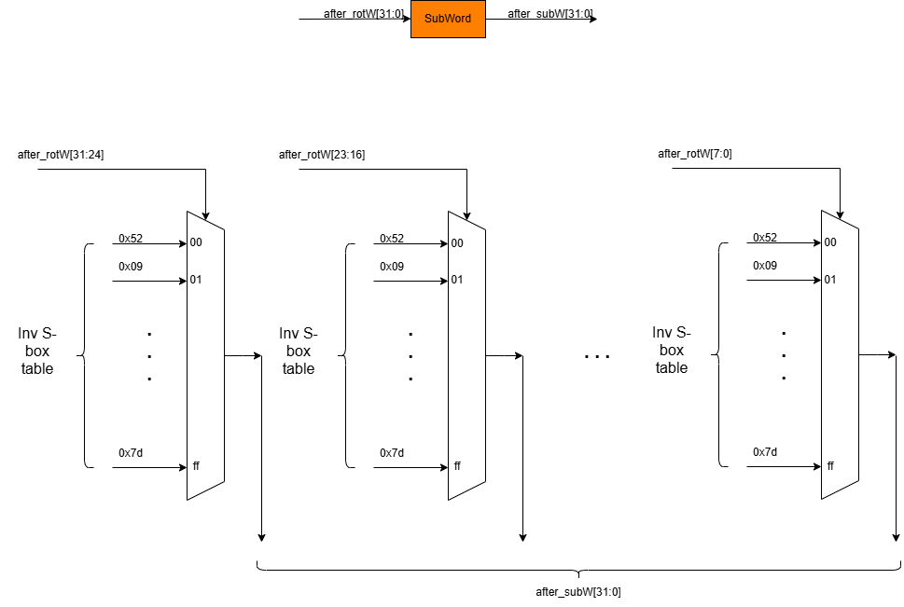
SubWord
Function: used in the Key Expansion routine that takes a four-byte input word and applies an S-box to each of the four bytes to produce an output word
Signal Description:
No | Signal Name | Width | Direction | Function Description
1 | after_rotW | 32 | Input | 32-bit word resulting from the RotWord. This word has undergone a 1-byte left rotation before being substituted

2 | after_SubW | 32 | Output | A 32-bit word produced after each byte of the rotated word is substituted using the AES S-box

